Lyndex Database
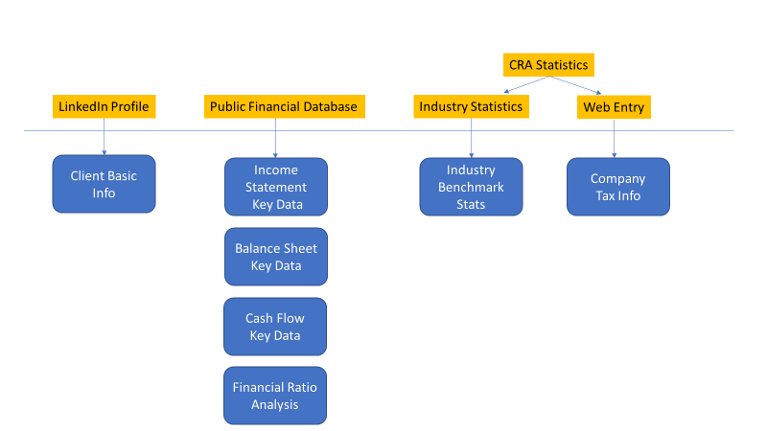
External Database | Used Section | Used Process | Lyndex Database
LinkedIn extraction data | Section 1 | Client basic info analysis | Client Basic Info
Certified financial database | Section 1 | Standard financial data - Income statement | Income statement key data
Certified financial database | Section 1 | Standard financial data - Balance sheet | Balance sheet key data
Certified financial database | Section 1 | Standard financial data - Cash Flow | Cash flow key data
Industry Stats | Section 2 | Industry financial benchmark analysis | Industry benchmark stats
Certified financial database | Section 2 | Finantial Ratio Calculation | Financial ratio analysis
na | Section 2 | Summary Financial Analysis Graph - Market vs RD expense | Industry benchmark stats
na | Section 2 | Summary Financial Analysis Graph - Gross margin vs Sales | Income statement key data;
na | Section 2 |  | Financial ratio analysis
na | Section 2 | Summary Financial Analysis Graph - Gross margin vs RD expense | Income statement key data;
na | Section 2 |  | Financial ratio analysis
na; CRA stats | Section 3 | Industry SRED benchmark analysis | Industry benchmark stats
Data entry from web | Section 3 | Historic Tax Credit | Company tax info
Data entry from web | Section 3 | Historic Tax Issues | Company tax info
na | Section 4 | Operating Expense Analysis | Industry benchmark stats
na | Section 4 |  | Income statement key data
Data entry from web | Section 4 | SRED Tax Credit Recent Year analysis | Company tax info
Data entry from web | Section 4 | R&D Expense Claim Prediction analysis | Company tax info

